Introduction
AfDB Responsible Digital Payments Project Guide
Introduction to the Toolkit & How It Works

The AfDB Responsible Digital Payment Guide, aims to help AfDB at all levels in developing countries assess their readiness towards responsible digital transformation. Through both qualitative and quantitative analyses, it identifies strengths and weaknesses of the current digital government status and proposes future-looking action plans to improve and/or develop a comprehensive national ICT strategy.



The Toolkit consists of an Assessment followed by a Scoring Mechanism to be done by the countries to gauge their level of preparedness in creating, implementing and adopting the Responsible Digital Payments. The Assessment itself is comprised of a comprehensive set of questions and delves into the eight core building blocks as discussed in the previous chapter, i.e. Literacy, Resource Capacity, Physical Infrastructure, Digital Infrastructure, Market Readiness, Appetite for Innovation, Policy & Regulations, Ethics & Inclusivity. Each Building Block is first introduced, followed by a questionnaire where the participants rates the answer to the best of their abilities. There are no right or wrong answers, nor is there any judgement. The Assessment is purely meant as a tool to guide the countries to know if and when they are ready to take the next leap in the transformation process towards a Responsible Digital Payments’ Society. Each section has its own scoring sheet.

 | When all building blocks have been rated, the scores are now entered into the Scoring Mechanism which follows after both the Foundations, Adoption and Enabling Environment questions of the Assessment are fully finished. The Assessment is set up to guide countries at the most practical level, but can be equally used to gauge the position for individual cross-country projects and other. We also encourage participants to engage with the questions and adapt them to their specific situation where they see fit. The Assessments are merely guidelines.

 |  | AfDB Responsible Digital Payements Assessment Framework

Framework
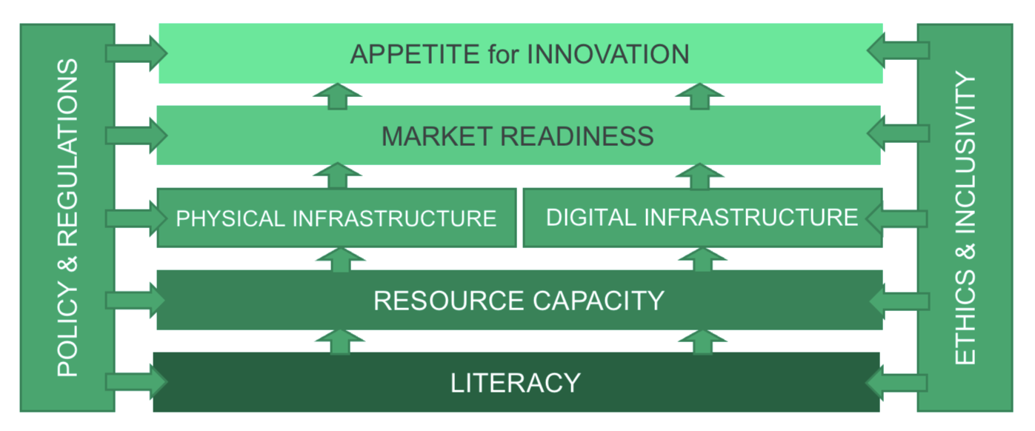

Final Assessment
FINAL REPORT

PRINT REPORT

Scoring

 | Building Block | Score
 | Literacy | 51.8
 | Resource Capacity | 62.5
 | Physical Infrastructure | 28.5
 | Digital Infrastructure | 45.8
 | Market Readiness | 50.2
 | Appetite for Innovation | 44.4
 | Policy & Regulations | 74.9
 | Ethics & Inclusivity | 62.5

Progress Bar

Literacy

 | Automated

Resource Capacity

 | Automated

